ControlChart Instructions
Back to
main menu
1
X-Axis | Sample 1 | Sample 2 | ← My data has a header | Instructions
2011-01-01 | 33 | 90 | ← subgroup 1 | How to create control chart in Quantum XL
2011-01-02 | 16 | 74 | ← subgroup 2
2011-01-03 | 79 | 11 | ← subgroup 3 |  | Select the range of cells A1:C21.
2011-01-04 | 100 | 19
2011-01-05 | 77 | 6
2011-01-06 | 74 | 61
2011-01-07 | 65 | 1 |  |  | 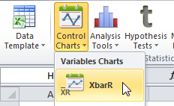 Select XbarR chart item from the Control Charts menu.
2011-01-08 | 86 | 41
2011-01-09 | 38 | 43
2011-01-10 | 1 | 74
2011-01-11 | 14 | 23
2011-01-12 | 70 | 1
2011-01-13 | 18 | 96
2011-01-14 | 29 | 18
2
2011-01-15 | 78 | 82
2011-01-16 | 14 | 11
2011-01-17 | 75 | 46 |  |  | 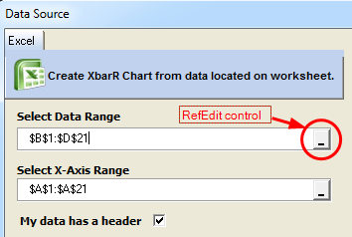 ● Select B1:C21 for the data range ● Select A1:A21 for the X-Axis range ● Click Finish TIP: Use RefEdit control to select range of cells
2011-01-18 | 54 | 50
2011-01-19 | 70 | 66
2011-01-20 | 18 | 9

3

 |  |  |  |  | ● After you create control chart, continue entering data as needed. ● Click 'Update sheet' to update control chart.

Cpk Instructions
Back to
main menu
1
Sample 1 | Sample 2 | ← My data has a header | Instructions
-0.43 | 0.35 |  | How to create Cpk analysis in Quantum XL
-1.26 | -0.93
-0.56 | -0.45 |  |  | Select the range of cells A1:B31.
-1.82 | -0.21
2
0.79 | 0.55
-1.15 | 1.66
1.66 | -0.93 |  |  | Select Capability Analysis item from the Analysis Tools menu.
-0.84 | -0.93
1.11 | -0.88
1.36 | -0.75
0.83 | -0.67
-0.64 | -1.00
-0.31 | -0.93
0.56 | -0.23
-0.68 | -0.16
3
1.75 | 1.72
1.55 | 0.84 |  |  | 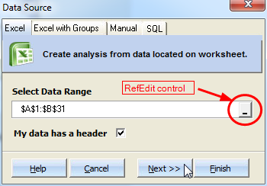 ● Select A1:B31 for the data range ● Make sure that 'My data has a header' is checked. ● Click Next TIP: Use RefEdit control to select range of cells
-0.24 | -0.72
-1.30 | -0.63
-1.88 | 0.57
-0.42 | 1.07
0.22 | -1.05
0.52 | -0.92
2.25 | -1.17
-1.04 | 0.34
-1.60 | -1.98
0.92 | 1.52
0.89 | -0.48
-0.32 | -1.26
-0.98 | 0.39

4
 |  |  |  | 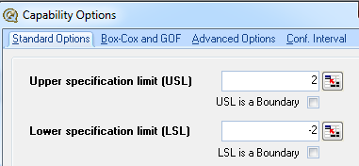 ● Enter 2 for the Upper specification limit (USL) ● Enter -2 for the Lower specification limit (LSL) ● Click Finish

next steps

 |  |  |  | ● After you create Cpk, you can modify settings or update it. ● Click 'Update sheet' to update Cpk. ● Click 'Modify Analysis' to change Cpk settings

TTest Instructions
Back to
main menu
1
Male | Female | ← My data has a header | Instructions
175.10 | 167.70 |  | How to create Two sample t-Test analysis in Quantum XL
174.80 | 167.60
173.60 | 169.80 |  |  | Select the range of cells A1:B31.
173.70 | 164.90
2
175.80 | 166.60
175.60 | 169.60
173.60 | 171.80 |  |  | 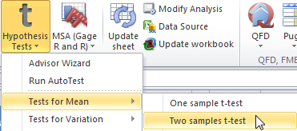 Select Two samples t-Test item from the Hypothesis tests menu.
174.60 | 170.80
173.70 | 165.40
176.00 | 167.10
177.00 | 165.40
171.20 | 175.00
175.80 | 167.10
174.80 | 167.30
174.20 | 169.10
175.40 | 170.20
3
176.20 | 168.90
174.10 | 170.80 |  |  | 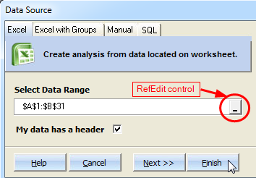 ● Select A1:B31 for the data range ● Make sure that 'My data has a header' is checked. ● Click Next TIP: Use RefEdit control to select range of cells
175.90 | 166.90
177.00 | 171.90
170.90 | 171.70
178.60 | 168.90
174.60 | 168.20
174.30 | 169.90
176.30 | 171.10
175.60 | 166.70
180.90 | 166.50
171.60 | 169.90
171.80 | 170.80
174.90 | 169.60

4
 |  |  |  | ● After you create t-Test, you can modify settings or update it. ● Click 'Update sheet' to update t-Test. ● Click 'Modify Analysis' to change t-Test settings

MSA Instructions
Back to main menu

Instructions
How to run MSA analysis in Quantum XL
1
 | 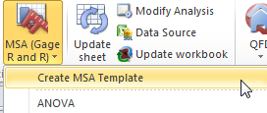 Select 'Create MSA template' from the menu to create MSA template. Use all default settings in the wizard.

2
 | 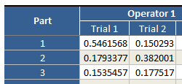 Quantum XL will create a new worksheet 'MSA Template'. - Enter measurements for each part - Enter reference values - Set specification limits

3

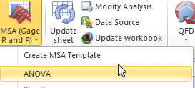
 | 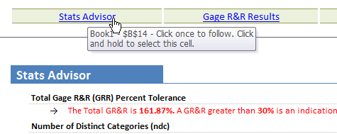 Select 'ANOVA' from the MSA menu and Quantum XL will run MSA ANOVA analysis. All analysis are reported in a single worksheet. Top of the report contains links so you navigate easily.

DSM Instructions
Back to main menu
1
Design Structure Matrix |  |  |  |  |  |  |  |  |  |  |  |  |  |  |  | Instructions
X when row depends on column. |  | 1 | 2 | 3 | 4 | 5 | 6 | 7 | 8 | 9 | 10 | 11 | 12 | 13 | 14 | How to create DSM in Quantum XL
 |  | tower fixture SW | Tower intragation test ready | Pen actuator fixture SW | pen actuator integration test ready | pen drive fixture SW | pen drive integration test ready | tower motor selection | pen actuator motor selection | pen drive motor selection | smallest line size selection | vertical pen speed selection | line drawing speed selection | system validation | system integration

1 | tower fixture SW |  |  |  |  |  |  |  |  |  | x |  | x |  |  |  | Select New DSM from the DSM menu. This will create an empty DSM in a new worksheet.
2 | Tower intragation test ready | x
3 | Pen actuator fixture SW |  |  |  |  |  |  |  | x |  |  | x
4 | pen actuator integration test ready |  |  | x
5 | pen drive fixture SW |  |  |  |  |  |  |  |  | x |  |  | x
6 | pen drive integration test ready |  |  |  |  | x
2
7 | tower motor selection
8 | pen actuator motor selection |  |  |  |  |  |  |  |  |  |  |  |  |  |  |  | Enter task (activity) names in the rows. Columns will be filled automatically.
9 | pen drive motor selection
10 | smallest line size selection
3
11 | vertical pen speed selection
12 | line drawing speed selection |  |  |  |  |  |  |  |  |  |  |  |  |  |  |  | Put X in the cells for which activity in a row depends on activity in a column. Example: if 'system validation' (#13) depends on 'system integration' (#14), you should put X in intersection for 'system validation' row and 'system integration' column. In this example, put X in cell S18. TIP: Use DSM Navigator (under the DSM menu) to fill the large matrices.
13 | system validation |  |  |  |  |  |  |  |  |  |  |  |  |  | X
14 | system integration |  | x |  | x |  | x

next steps
 |  |  |  |  |  |  |  |  |  |  |  |  |  |  |  |  | After you fill the matrix, you can partition DSM using path search algorithm (Sequence DSM) or AEAP and ALAP partitioning methods. Both commands are available under DSM menu.

Data Template
1
Back to
main menu
Select Create data template from the menu, click Next, then Finish.
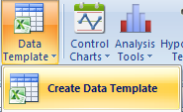
 | Quantum XL Data Template
 | www.SigmaZone.com/QuantumXL.htm

INSTRUCTIONS - Enter LSL and USL - Enter data in the template to the right - Select QXL Stat Tools > Data Template > Analyze Template to analyze OPTIONS - Modify factor and column names (optional) - Modify X-Axis name and entries - Change analysis to be performed
INSTRUCTIONS - Enter LSL and USL - Enter data in the template to the right - Select QXL Stat Tools > Data Template > Analyze Template to analyze OPTIONS - Modify factor and column names (optional) - Modify X-Axis name and entries - Change analysis to be performed

3
 |  |  |  |  | Edit Factor 1 name → | Vendor
 |  |  |  | Edit X-Axis name → | Categories | Vendor 1 | Vendor 2 | Vendor 3 | ← Edit Vendor columns names
 |  |  |  |  | Item 1 | 96 | 46 | 48
2
 |  |  |  |  | Item 2 | 13 | 91 | 87
Enter USL and LSL and modify metric description.
Modify factor and column names (optional)
 |  |  |  |  | Item 3 | 52 | 2 | 31
 |  |  |  |  | Item 4 | 57 | 21 | 20
4
 |  |  |  |  | Item 5 | 63 | 61 | 47
 |  |  |  |  | Item 6 | 56 | 95 | 58
Enter data in the template
 |  |  |  |  | Item 7 | 18 | 16 | 25
Settings |  |  |  |  | Item 8 | 7 | 67 | 67
 | Data | Data | ← Metric description |  | Item 9 | 66 | 7 | 97
 | USL | 100 | ← Upper specification limit |  | Item 10 | 64 | 89 | 84
 | LSL | 1 | ← Lower specification limit |  | Item 11 | 61 | 66 | 80
 |  |  |  |  | Item 12 | 4 | 18 | 40
Analysis Options |  |  |  |  | Item 13 | 14 | 30 | 4
5
 | Control Charts |  |  |  | Item 14 | 29 | 84 | 45
6
 |  |  |  |  | Item 15 | 60 | 89 | 1
Check the analysis you want to run.
 |  |  |  |  | Item 16 | 78 | 98 | 17
Select Analyze Template from the menu.
 |  |  |  |  | Item 17 | 97 | 58 | 60
 |  |  |  |  | Item 18 | 22 | 54 | 89
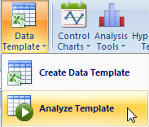
 |  |  |  |  | Item 19 | 62 | 29 | 91
 |  |  |  |  | Item 20 | 34 | 83 | 66
 |  |  |  |  | Item 21 | 67 | 9 | 67
 |  |  |  |  | Item 22 | 93 | 30 | 72
 | Analysis Tools |  |  |  | Item 23 | 88 | 62 | 59
 |  |  |  |  | Item 24 | 87 | 73 | 2
 |  |  |  |  | Item 25 | 23 | 94 | 74
 |  |  |  |  | Item 26 | 83 | 29 | 58
 |  |  |  |  | Item 27 | 47 | 14 | 2
 |  |  |  |  | Item 28 | 24 | 63 | 8
 |  |  |  |  | Item 29 | 11 | 51 | 62
 |  |  |  |  | Item 30 | 72 | 96 | 35
 |  |  |  |  | Item 31 | 35 | 8 | 73
 |  |  |  |  | Item 32 | 90 | 96 | 30
 |  |  |  |  | Item 33 | 48 | 96 | 50
 | Hypothesis Tests |  |  |  | Item 34 | 77 | 96 | 91
 |  |  |  |  | Item 35 | 4 | 62 | 79
 |  |  |  |  | Item 36 | 16 | 55 | 11
 |  |  |  |  | Item 37 | 100 | 60 | 98
 |  |  |  |  | Item 38 | 87 | 86 | 50
 |  |  |  |  | Item 39 | 86 | 9 | 44
 |  |  |  |  | Item 40 | 55 | 96 | 31
 |  |  |  |  | Item 41 | 22 | 10 | 58
 |  |  |  |  | Item 42 | 87 | 4 | 69
 |  |  |  |  | Item 43 | 29 | 41 | 73
 |  |  |  |  | Item 44 | 27 | 7 | 67
 |  |  |  |  | Item 45 | 21 | 98 | 58
 |  |  |  |  | Item 46 | 90 | 45 | 81
 |  |  |  |  | Item 47 | 90 | 9 | 80
 |  |  |  |  | Item 48 | 6 | 34 | 92
 |  |  |  |  | Item 49 | 11 | 19 | 11
 |  |  |  |  | Item 50 | 2 | 25 | 52
 |  |  |  |  | Item 51 | 56 | 39 | 47
 |  |  |  |  | Item 52 | 52 | 15 | 52
 |  |  |  |  | Item 53 | 5 | 100 | 49
 |  |  |  |  | Item 54 | 95 | 71 | 70
 |  |  |  |  | Item 55 | 38 | 26 | 75
 |  |  |  |  | Item 56 | 20 | 98 | 21
 |  |  |  |  | Item 57 | 48 | 2 | 8
 |  |  |  |  | Item 58 | 89 | 15 | 17
 |  |  |  |  | Item 59 | 42 | 70 | 81
 |  |  |  |  | Item 60 | 84 | 25 | 25
 |  |  |  |  | Item 61 | 77 | 24 | 37
 |  |  |  |  | Item 62 | 53 | 77 | 62
 |  |  |  |  | Item 63 | 40 | 38 | 74
 |  |  |  |  | Item 64 | 44 | 71 | 33
 |  |  |  |  | Item 65 | 95 | 13 | 8
 |  |  |  |  | Item 66 | 48 | 4 | 7
 |  |  |  |  | Item 67 | 3 | 75 | 24
 |  |  |  |  | Item 68 | 64 | 76 | 5
 |  |  |  |  | Item 69 | 21 | 38 | 32
 |  |  |  |  | Item 70 | 67 | 61 | 85
 |  |  |  |  | Item 71 | 29 | 31 | 5
 |  |  |  |  | Item 72 | 35 | 57 | 27
 |  |  |  |  | Item 73 | 63 | 23 | 46
 |  |  |  |  | Item 74 | 20 | 12 | 37
 |  |  |  |  | Item 75 | 31 | 38 | 73
 |  |  |  |  | Item 76 | 5 | 33 | 24
 |  |  |  |  | Item 77 | 71 | 89 | 32
 |  |  |  |  | Item 78 | 38 | 26 | 66
 |  |  |  |  | Item 79 | 70 | 56 | 41
 |  |  |  |  | Item 80 | 100 | 9 | 20
 |  |  |  |  | Item 81 | 3 | 14 | 63
 |  |  |  |  | Item 82 | 44 | 5 | 28
 |  |  |  |  | Item 83 | 47 | 79 | 56
 |  |  |  |  | Item 84 | 15 | 37 | 2
 |  |  |  |  | Item 85 | 1 | 39 | 21
 |  |  |  |  | Item 86 | 83 | 84 | 74
 |  |  |  |  | Item 87 | 79 | 3 | 40
 |  |  |  |  | Item 88 | 1 | 76 | 9
 |  |  |  |  | Item 89 | 17 | 52 | 79
 |  |  |  |  | Item 90 | 91 | 17 | 76
 |  |  |  |  | Item 91 | 19 | 42 | 2
 |  |  |  |  | Item 92 | 93 | 12 | 97
 |  |  |  |  | Item 93 | 28 | 54 | 60
 |  |  |  |  | Item 94 | 43 | 88 | 10
 |  |  |  |  | Item 95 | 75 | 53 | 9
 |  |  |  |  | Item 96 | 11 | 44 | 64
 |  |  |  |  | Item 97 | 68 | 12 | 100
 |  |  |  |  | Item 98 | 65 | 14 | 78
 |  |  |  |  | Item 99 | 87 | 90 | 23
 |  |  |  |  | Item 100 | 45 | 4 | 85
 |  |  |  |  |  |  |  |  | ← Continue entering data as needed. The template will use all the data in the column even if it extends beyond the template.

SalesModel
Back to main menu
1
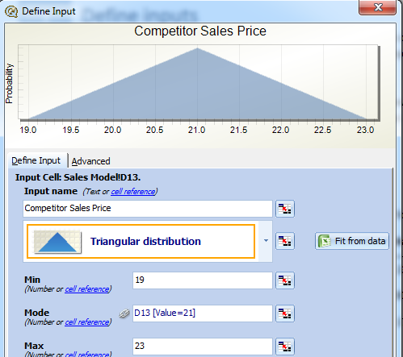
Simple financial model
The goal of this model is to predict the profit from the sales of a new product. |  |  | Define inputs
● The model has certain assumptions (called inputs) which are used to calculate various metrics (called outputs). ● In this model, the inputs are the competitor's sales price for a competing product, our sales price, the market size, and the manufacturing cost. ● The outputs are the Percent Market Share, which depends on our sales price and our competitor's sales price; the Total Sales, which depends on the market size, market share, and our sales price; and finally, the Total Profit, which depends on the market size, percent market share, our sales price, and the manufacturing cost. |  |  | ● To assign a distribution to a cell in our model, either right click on cell D13 and choose "Mark Input" or choose "Quantum XL" - "Mark Cell As" - "Mark Input", or click on the Input icon on the Quantum XL menu bar. ● When you have started the process, you will be given a window which allows you to choose a distribution for this model. Make the following changes to the window. Input Name: Change to "Competitor Sales Price" Distribution: Change to Triangular Min: Change to 19 Mode: Leave as "D13" Max: Change to 23 Repeat this procedure for the remaining three inputs using the following distributions:

Inputs | Competitors Sales Price | $21.00
 | Our Sales Price | $20.00
 | Market Size | 1,000,000 | Cell | Name | Distribution | Min | Mode | Max
 | Manufacturing Cost | $15.00 | D14 | Our Sales Price | Triangular | 19 | D14 | 23
 |  |  | D15 | Market Size | Triangular | 800,000 | D15 | 1,200,000
Outputs | Percent Market Share | 45.00% | D16 | Manufacturing Cost | Triangular | 13 | D16 | 17
 | Total Sales | $9,000,000
2
 | Total Profit | $2,250,000
 |  |  | Define outputs
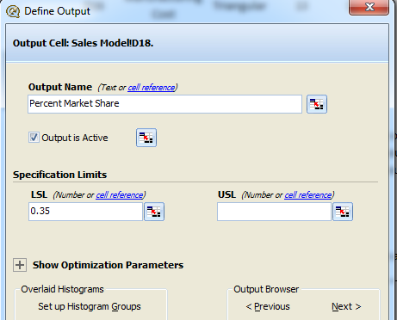
 |  |  | ● We are now ready to define which cells are going to be the outputs. Right click on the cell D18 and select "Mark Output" from the popup menu. Alternatively, you can use the shortcut bar. ● A window entitled "Define Output" will appear, allowing you to set the options for this output. Change the following settings: Output Name: Change to "Percent Market Share" LSL: Change to .35 Leave the remaining fields at their default settings ● Mark the remaining two outputs using the same procedure and the following settings.

 |  |  | Cell | Output Name | LSL | USL
 |  |  | D19 | Total Sales | blank | blank
 |  |  | D20 | Total Profit | 1000000 | blank

3
 |  |  | Running the Model
 |  |  | The simplest way to run the model is to click on the run icon in the Quantum XL Menu bar. When you do, Quantum XL will read the model, perform the Monte Carlo Simulation, calculate the statistics, and present the results in a new document. The results will be placed in a new worksheet entitled "Expected Value". The results are both graphical and numeric.

Optimize
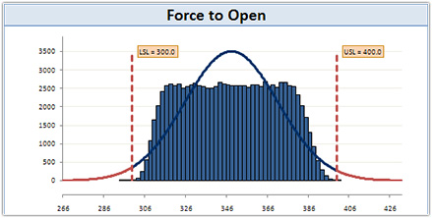
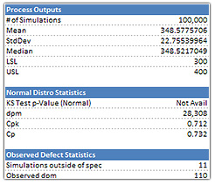
Back to main menu

1
Optimization (Robust Design) | Define inputs and outputs (build a model)
full article: http://www.sigmazone.com/Article_RobustDesignOptimization.htm | TIP: If you are not familiar with building models in Quantum XL, then read the 'Create and Run a model' instructions first.

Problem description | Each of the inputs has a certain amount of variation that we can model with Quantum XL.
● We will use the example of the force required to open a flip phone. ● Many cell phones include the feature of a cover that rotates on a hinge to provide access to the keys and display. ● If the force required to open the cover is too great, then the user experience is diminished; if the force is too little, then the phone will open without intent. ● The key metric is therefore the force required to open the phone. ● For this specific phone, the goal is to keep the force to open between 300 and 400, thus the lower specification limit (LSL) is 300 and the upper specification limit (USL) is 400. | The distribution and parameters for each of the inputs is in the table below.
 | Input Name |  | Distribution | Detail
 | Ramp Angle (degrees) |  | N(17, 0.1) | Normal distribution, Mean = 17, SD = .1
 | Plateau Height (mm) |  | N(32, 0.1) | Normal distribution, Mean = 32, SD = .1
 | Spring Constant (K) |  | N(10, 0.1) | Normal distribution, Mean = 10, SD = .1
 | Misalignment (degrees) |  | U(0,20) | Uniform distribution from 0 to 20

 | Let's assume that the force to open the phone is mainly a function of four key critical design parameters
 | Force to Open = 395.5625+25.175*Ramp Angle -17.8125*Plateau Height -9.1875*Spring Constant -0.00625*Misalignment+1.945*Spring Constant*Misalignment

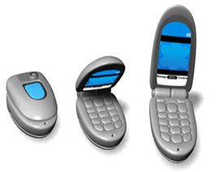
 | Ramp Angle | 17

 | Plateau Height (mm) | 32
 |  |  |  | Force to Open | 161.6625
 | Spring Constant (K) | 10

 | Misalignment | 0

2
 | Run simulations
 | TIP: If you are not familiar with running a model, then read the 'Create and Run a model' > Step 3

 | Regardless if you use the Normal Distribution statistics with 657,000 dpm or the Observed Defect estimate of 744,000 defects, more than half of the hinges will be out of specification.

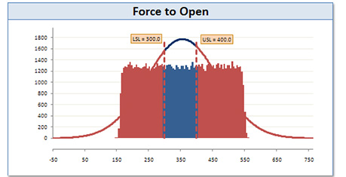
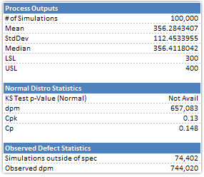

3
 | Optimize
 | ● Start the optimizer by clicking at 'Optimize' icon.

 | ● Select the 'Step 1' and define optimization objective - "Minimize the DPM of Force to Open"

 | ● Select the 'Step 3' and define optimization ranges.
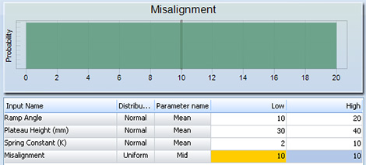

 | Ranges:
 | - Ramp Angle (degrees): from 10 to 20
 | - Plateau Height (mm): from 30 to 40
 | - Spring Constant (K): from 2 to 10
 | - Misalignment (degrees): from 10 to 10

 | Note that the Misalignment does not have a low and high value specified. Since Misalignment is a noise variable, we do not want the optimizer to pick an optimal value.

 | ● Press 'Optimize' button and Quantum XL will now switch to a real time optimization window.
 | On the left side you can see the current distributions of the optimal input values.
 | On the right you can track the progress of the optimizer.

 | When the optimizer senses that it can no longer improve the solution or when you press the "Stop Optimization and Save Results" button, you will be asked if you would like to overwrite the current parameters with the optimized values.

 | If you choose Yes, then the mean values in the spreadsheet model will be replaced with the new optimal ones.

 | Before optimization |  |  | After optimization

 | Ramp Angle | 17 |  | Ramp Angle | 19.978797517

 | Plateau Height (mm) | 32 |  | Plateau Height (mm) | 32.028725942

 | Spring Constant (K) | 10 |  | Spring Constant (K) | 2.0004157986

 | Misalignment | 0 |  | Misalignment | 0

4
 | Run simulations

 | After you run simulations again, you will notice that the observed defects dropped from 744,020 to 110 as a result of finding the new optimal set points.
 | The main reason for this reduction in dpm is due to a reduction in standard deviation.

